Section 1) - 5)
1) | Project info

2) | Building info

 | Total replacement cost | =
 | Core and shell replacement cost | =
 | Replacement time | =
 | Max workers per sq. | =
 | Total loss threshold | =

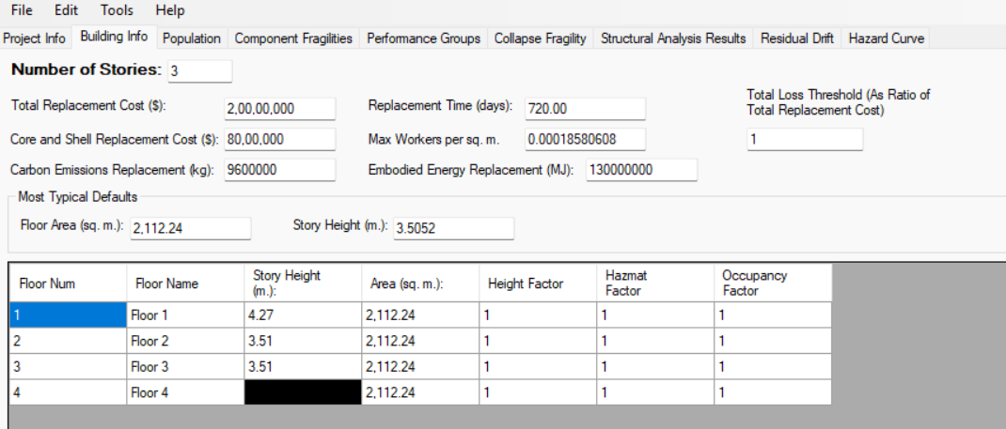

3) | Population
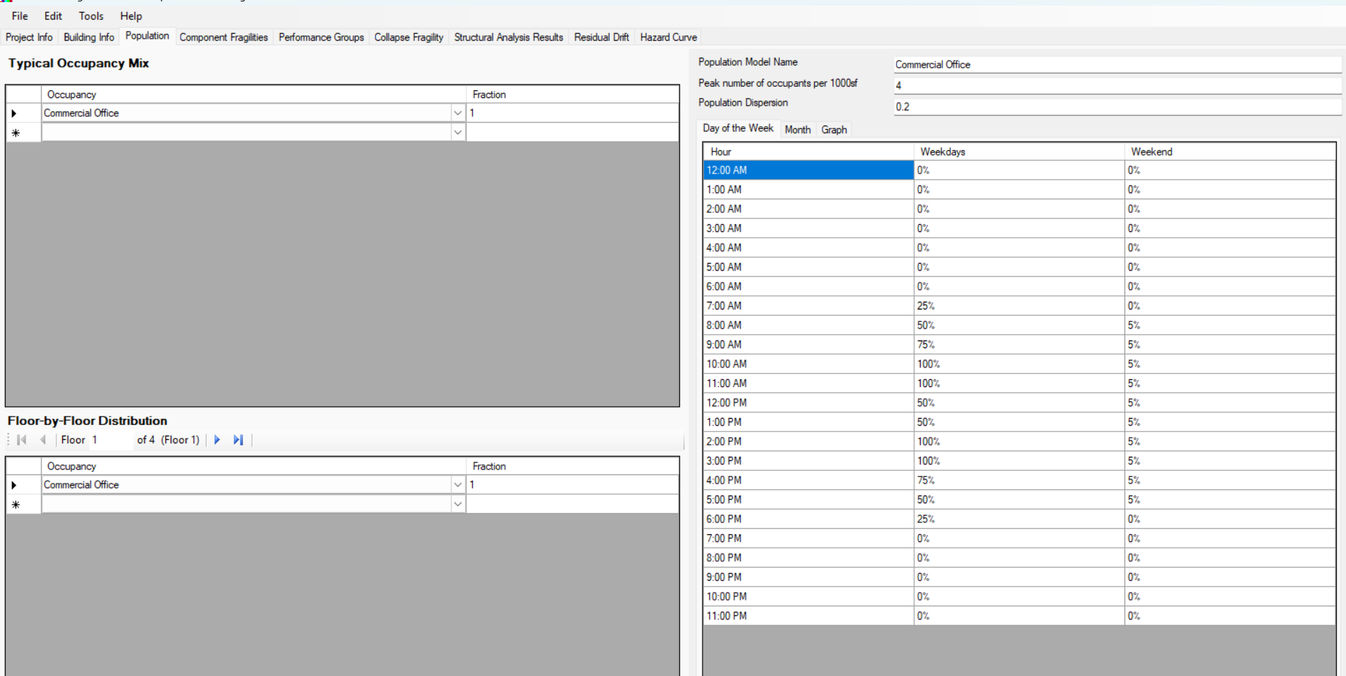

4) | Component fragility

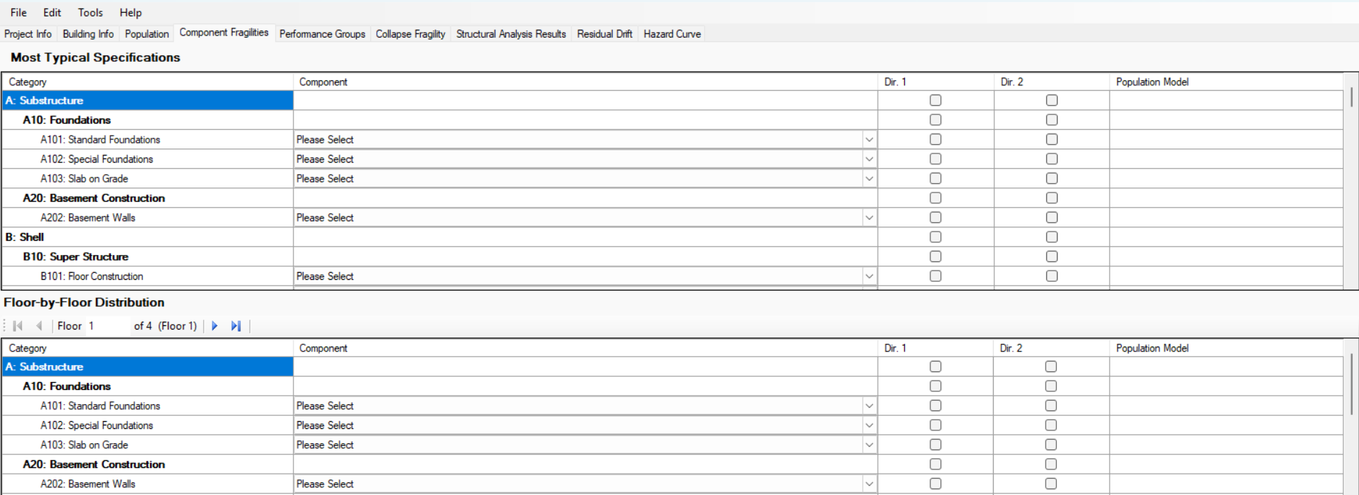

5) | Performance groups

